HVAC
PIONEER SERVICES



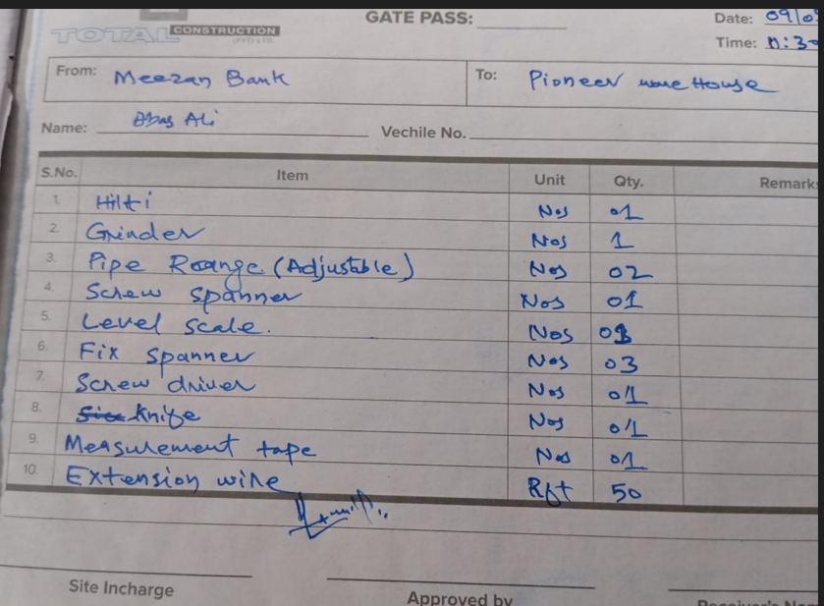

M/s Meezan Bank
 |  |  | 09 May 2025
PIONEER SERVICES

Gate Pass
Following material shifting to M/S Pioneer store

S. # | Description | Unit | Qty
1 | Hilti | Nos | 1
2 | Grinder | Nos | 1
3 | Pipe Wrench (adjustable) | Nos | 2
4 | Screw Spanner | Nos | 1
5 | Level | Nos | 3
6 | Fix Spanner | Nos | 3
7 | Screw Driver | Nos | 1
8 | Knife | Nos | 1
9 | Measurement tape | Nos | 1
10 | Extension Wire | Rft | 50

For PIONEER SERVICES

